Лист1
ID | Summary | Severity | Description | Attachment
1 | Text is overlaid in the first result | Trivial | STR: 1. Open site https://… 2. Go to the "Search" 3. Choose model "Tiguan" 4. Location "Santa Monica" 5. Click on the "Search" 6. Pay attention to the total price and VIN code of the first result. Result: Text is overlaid in the first result Expected result: Text is spaced equally throughout the page
2 | Text is not aligned in search results | Trivial | STR: 1. Open site https://… 2. Go to the "Search" 3. Choose model "Tiguan" 4. Location "Santa Monica" 5. Click on the "Search" 6. Pay attention to aligning of the text in results Result: Text is not aligned in search results Expected result: Text is aligned equally throughout the page
3 | Image of the car is not show in the search results | Minor | STR: 1. Open site https://… 2. Go to the "Search" 3. Choose model "Tiguan" 4. Location "Santa Monica" 5. Click on the "Search" 6. Pay attention to the image of the car Result: Image of the car is not show in the search results Expected result: Images if all car are shown in the search results | 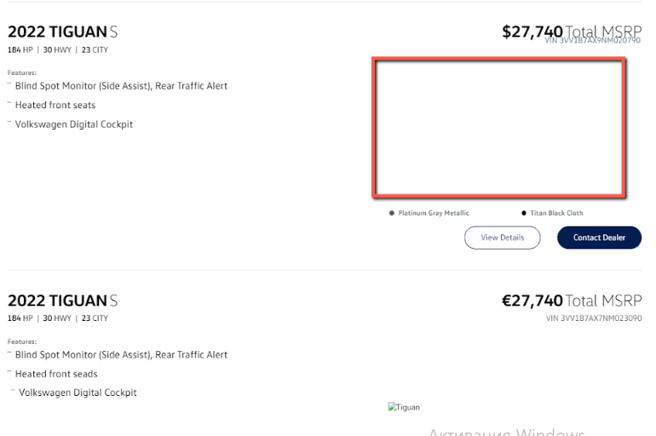
4 | Image of the car is damaged in the search results | Minor | STR: 1. Open site https://… 2. Go to the "Search" 3. Choose model "Tiguan" 4. Location "Santa Monica" 5. Click on the "Search" 6. Pay attention to the damaged image of the car Result: Text is not aligned in search results Expected result: Images of all cars are shown in the sear results | 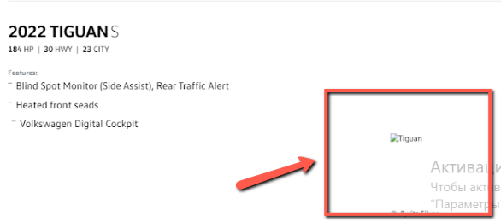
5 | Price is displayed in euros in the American location | Minor | STR: 1. Open site https://… 2. Go to the "Search" 3. Choose model "Tiguan" 4. Location "Santa Monica" 5. Click on the "Search" 6. Pay attention to the curкency of the total price in the second result Result: Price is displayed in euros in the American location Expected result: Price is displayed according to the location | 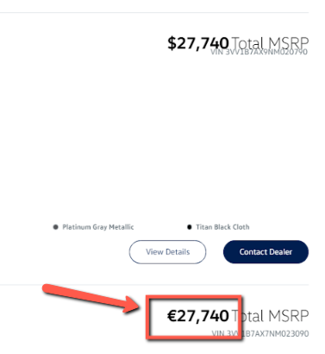
6 | Grammatical error is show in the description of the second result | Trivial | STR: 1. Open site https://… 2. Go to the "Search" 3. Choose model "Tiguan" 4. Location "Santa Monica" 5. Click on the "Search" 6. Pay attention to the grammatical error in description of the second result Result: grammatital error is displayed in the description of the second result Expected result: Text without errors is displayed | 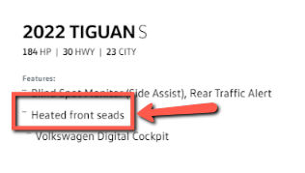
7 | Text is not aligned in search results | Trivial | STR: 1. Open site https://… 2. Go to the "Search" 3. Choose model "Tiguan" 4. Location "Santa Monica" 5. Click on the "Search" 6. Pay attention to the aligning of the text in description of the second result Result: Text is not aligned in the description of the second result Expected result: Text is aligned equally throughout the page | 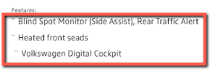
8 | "View Details" and "Contact Dealer" buttons aren't displayed in the second result | Minor | STR: 1. Open site https://… 2. Go to the "Search" 3. Choose model "Tiguan" 4. Location "Santa Monica" 5. Click on the "Search" 6. Pay attention to the absence of the "View Details" and "Contact Dealer" buttons Result: "View Details" and "Contact Dealer" buttons aren't displayed in the second result Expected result: "View Details" and "Contact Dealer" buttons are displayed in every result | 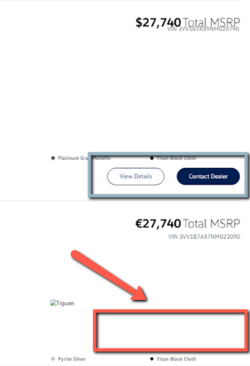
9 | "Model year" filter is displayed in Ukrainian in American localization | Trivial | STR: 1. Open site https://… 2. Go to the "Search" 3. Choose model "Tiguan" 4. Location "Santa Monica" 5. Click on the "Search" 6. Pay attention to the localization of the "Model year" filter Result:"Model year" filter is displayed in Ukrainian in American localization Expected result: All text is displayed in English | 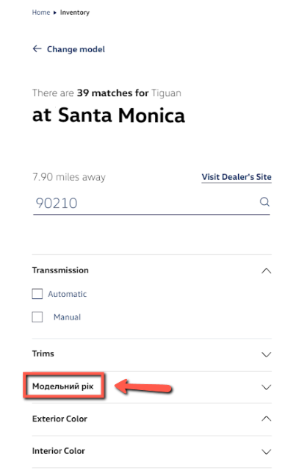
10 | Text is not aligned in "Transmission" filter | Trivial | STR: 1. Open site https://… 2. Go to the "Search" 3. Choose model "Tiguan" 4. Location "Santa Monica" 5. Click on the "Search" 6. Open the "Transmission" filter 7. Pay attention to aligning of text Result: Text is not aligned in "Transmission" filter Expected result: Text is aligned equally throughout the page | 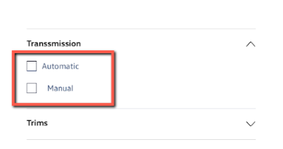
11 | Grammatical error is show in the "Transmission" filter | Trivial | STR: 1. Open site https://… 2. Go to the "Search" 3. Choose model "Tiguan" 4. Location "Santa Monica" 5. Click on the "Search" 6. Pay attention to the grammatical error in the title of the "Transmission" filter Result: Text is not aligned in search results Expected result: All text is displayed without grammatical errors | 